Progress Activity IK (2)
Progress Activity YPQ Trivindo Prima Mandiri
FY2026

EDUCATION STEP 2
DEPARTEMENT EDUCATION
&
PROCESS EDUCATION

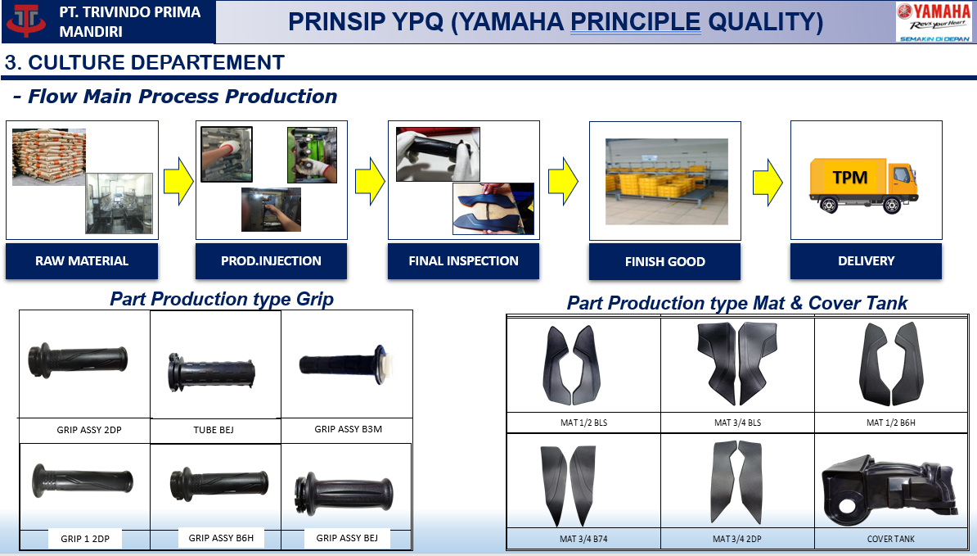

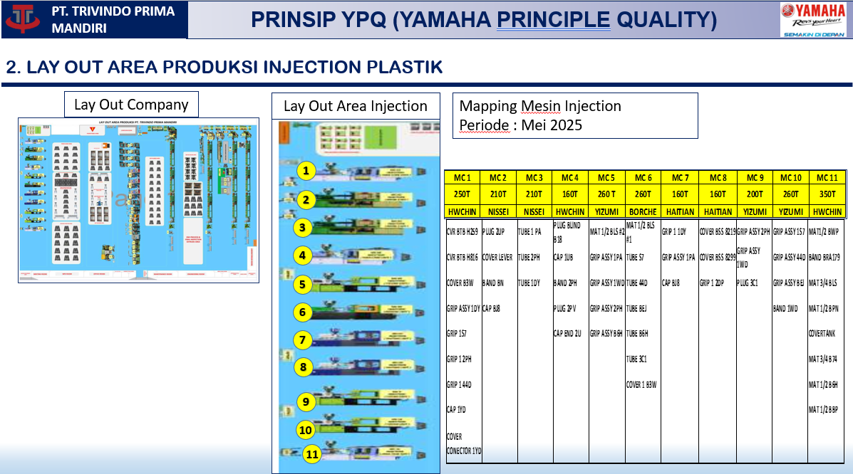
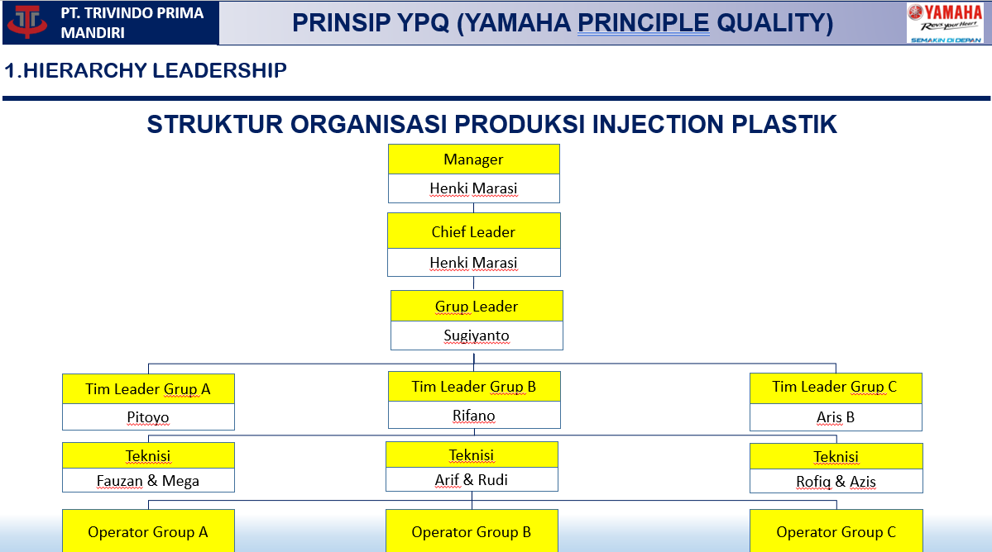

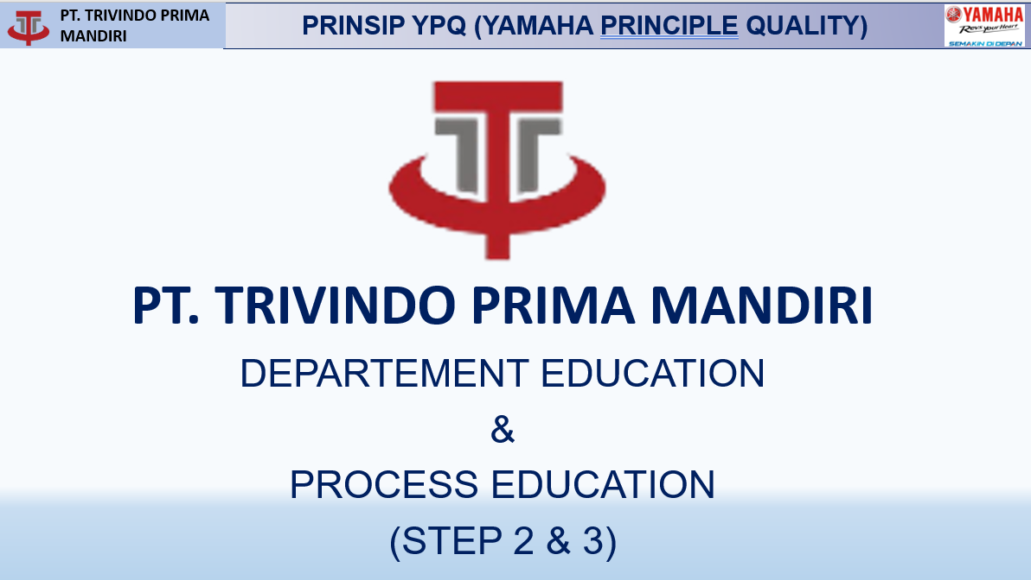

Nama | Review IK | Total IK | Registrasi MR

Production Injection | 5 | 5 | 5
Finishing | 4 | 4 | 4
Final Inspection | 7 | 7 | 7
Supporting | 5 | 5 | 5

